Print Page 1
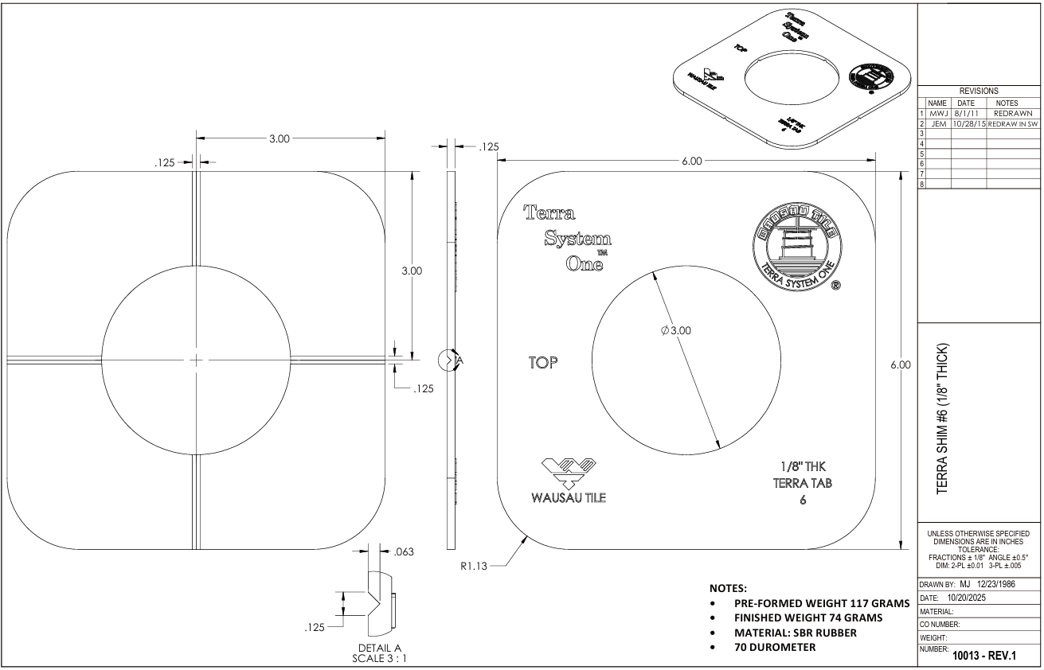

9
8
5
1

6

3

2

7

10

4

11

Tolerance Table
